S3
Simple Storage Service : |  | it is an object storage service that alows u to store and retrive any amount of data from anywhere .
 |  | it is scalable , reliable, secure, durable, cost-effective often used for backups, data lakes, websites.

basic structures
1. Buckets
2.Objects
3.Regions

1.Buckets : containers for storing objects (globally unique name)

2.Objects : files stored in buckets each has a key

3.Regions : where buckets are created

we use IAM policies and bucket policies also ACL for security .

Types : | (classes ) |  | retrival time
1.standard S3 : |  |  | milliseconds
 | frequently accessed data ,highest cost amont all classes
 | used for hot data accessed often

2.S3 intelligent-Tiering : |  |  | miliseconds (std/IA)
 | data with unpredictable access pattern |  | minutes (archiv tiers)
 | slightly higher than standard but auto-moves data to cheaper tiers
 | used for unknown or changing access pattern

3. S3 standard -IA : (infrequent access ) |  |  | milliseconds
 | data acessed ocassionally but needs fast access when needed
 | lower storage cost, higher retrivsl cost
 | used for backups and desaster recovery

4. S3 one-Zone : |  |  | milliseconds
 | infrequent accessed data
 | cost is lower that standart-IA
 | used for storing secondary backup, easily reproducable data.

5. S3 glacier : |  |  | 3-5 hours
 | archival storage, data retrival in minustes-hours
 | very low storage cost , pay per retrival
 | long-term archives , compilance storage

6. S3 glacier Deep archive : |  |  | 12 hours
 | long-term archiving , retrival in hours
 | lowest storage cost
 | rarely used data

maximum size of single S3 object 5TB
max no of objets in a bucket unlimited

Key features :
1.storage classes : according to requirement we have std, IA, intelligent tiering, glacier.

2.Data encryption : server-side encryption (SSE-S3, SSE-KMS, SSE-C) and client encryption

3.Access control : IAM policies, bucket policies, ACLs, S3 access point

4.Lifecycle Management : Automatically transition objects between storage classes or delete them

5.Versioning : keep multiple versions of an object to preven accidental deletions

6.Event notification : can trigger lambda functions, SNS, or SQS

7.Replication : cross-region replication(CRR) and same-region replication (SRR)

some exercises for S3 :
1.create S3 bucket |  | ***
2.upload and manage objects |  | ***
3.configure bucket policies |  | ***
4.Enable versioning and test it |  | ***
5.set up lifecycle rules |  | ***
6.Enable event notification |  | ***
8.use S3 CLI

what is versioning ?
it allows Amazon S3 that allows u to keep multiple versions of an object in a bucket.
This helps in preventing accidental deletions or overwrites as older versions of obejct can be restored

Sharing :
we can grante access of read or write to all public or specific user or onl owener of file by editing permissions of object
after that by sharing url we can share that file

inside managemnt of buckets we can create lifecycle rules for it

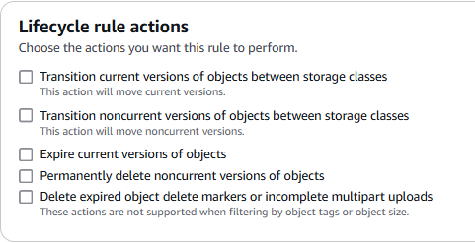

we can host any static website by uploading index.html of any site to s3 and enabling static website hosting tab inside properties of bucket

